Table 4
File Opearations:
No. | Function | Description
1 | open() | This is used to create a file.
2 | read() | This is used to read the data from the file
3 | write() | reads data from the file
4 | close() | This is used to close the file.
Syntax for opening a file open(FileName , Mode );
Syntax for writing into a file FileName<<"Insert the text here";
Syntax for reading from a file FileName>>Variable Syntax for closing a file FileName.close();
Compiling C++ source code into machine-readable code consists of the following four processes:
1. Preprocessing the source code. 2. Compiling the source code. 3. Assembling the compiled file. 4. Linking the object code file to create an executable file.

The following diagram shows C++ compilation process.

 | 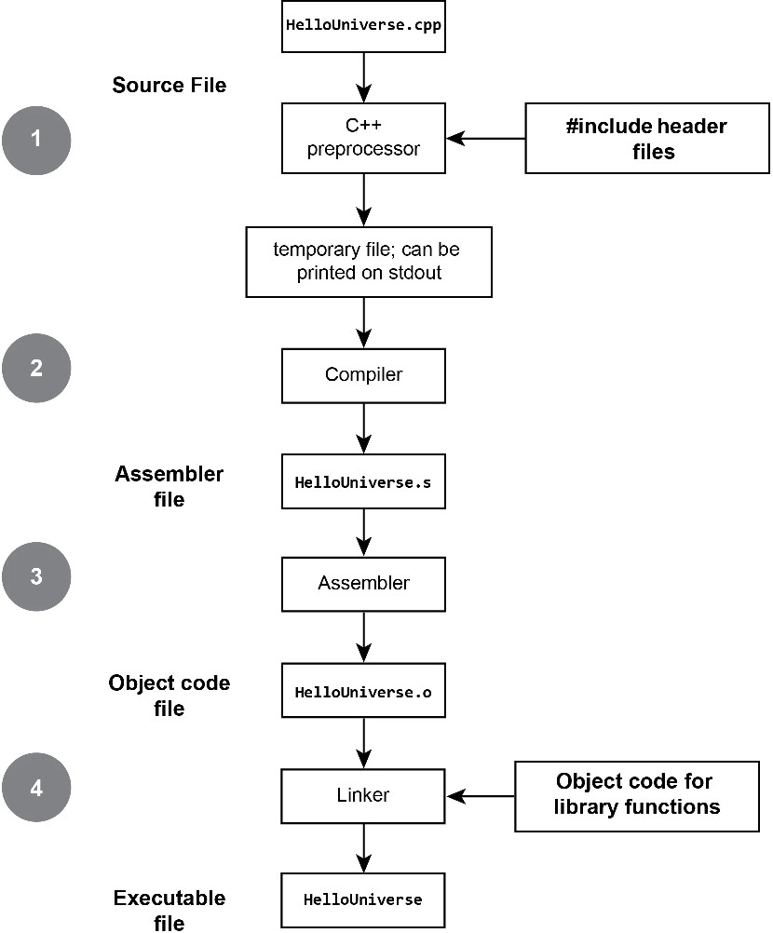

IDE Used : Code blocks Code Blocks: It is a cross platform that supports compiling and running multiple programming languages.It can work with a variety of compilers. Steps for using code blocks 1.click codeblocks icon on the desktop 2.select<file>select <new> and then select <project> 3.Double click <console application> 4.click<next> and select <c++> 5.Write the project name in <project title>, write the path or folder to create project. 6. click<next> 7. click<finish> 8. workspace is created with the given project name 9.Double click Sources main.cpp file is created. Double click main.cpp template for main is created. Then start writing program 10.Afterentering the program save it. 11.click on <build> to compile the program 12.click on <run> button to execute the program.

Program 1: Write a C++ program to find the sum of all the natural numbers from 1 to n. #include <iostream> using namespace std; void naturalsum(int n) { int sum=0, i; for(i=1;i<=n;i++) sum=sum+i; cout<<"sum of first "<< n <<" natural numbers : "<<sum<<endl; } int main( ) { int n; cout<<"enter the value of n: "; cout<<endl; cin>>n; naturalsum(n); }

Sample Intput: enter the value of n: 5 Output: sum of first 5 natural numbers : 15

Program 2: Write a C++ program to sort the elements in ascending and descending order. #include <iostream> using namespace std; //method to sort elements in ascending order void ascending(int a[], int n) {
int i, j, temp; for(i=0;i<n-1;i++) {
for(j=0; j<n-1-i; j++) { if(a[j]>a[j+1]) {
temp=a[j]; a[j]=a[j+1]; a[j+1]=temp; } } } }
//method to sort elements in descending order void descending(int a[ ], int n) {
int i, j, temp; for(i=0; i<n-1; i++) {
for(j=0; j<n-1-i; j++)

{ if(a[j]<a[j+1]) { temp=a[j]; a[j]=a[j+1]; a[j+1]=temp; } } } }
//main method int main( ) { int a[10], n, i, choice; char ch; do {
cout<<"enter the size of the array"; cin>>n; cout<<"enter the elements"; for(i=0; i<n; i++) cin>>a[i]; cout<<"elements before sorting"; cout<<endl; for(i=0; i<n; i++) cout<<a[i]<<" "; cout<<endl;

cout<<"1. ascending order sort 2. descending order sort"; cout<<endl<<"enter your choice: "; cin>>choice; switch (choice) { case 1: cout<<"elements after sorting"; ascending(a,n); cout<<endl; cout<<endl; for(i=0; i<n; i++) cout<<a[i]<<" ";

